Page Layout
Project Name |  |  |  | Wow tasty |  | User Type |  |  |  |  | User |  |  |  | Writer | Hak Choi
Phase |  |  |  | Requirements programing design |  | Page Name |  |  |  |  | Login |  |  |  | Date | 11/17/2012

 | 1. Page layout

 |  | 1 ) layout
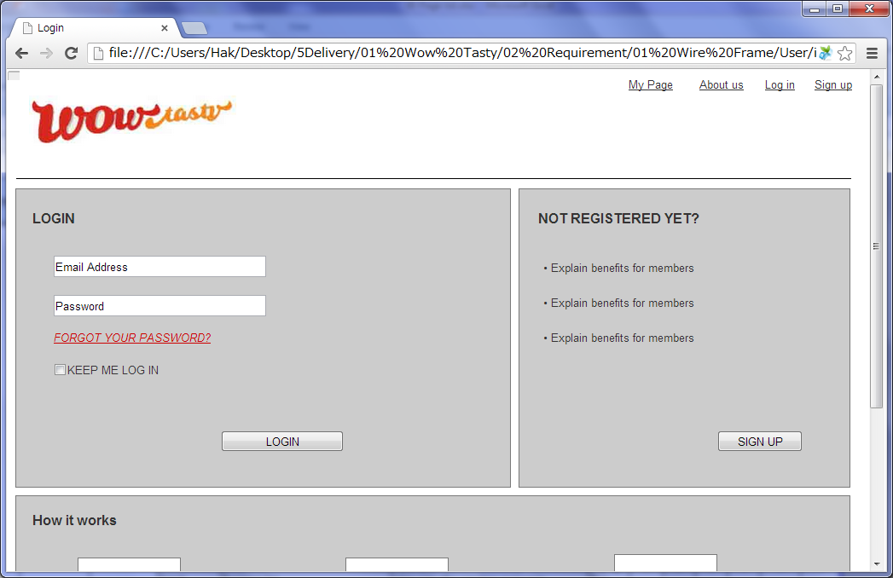

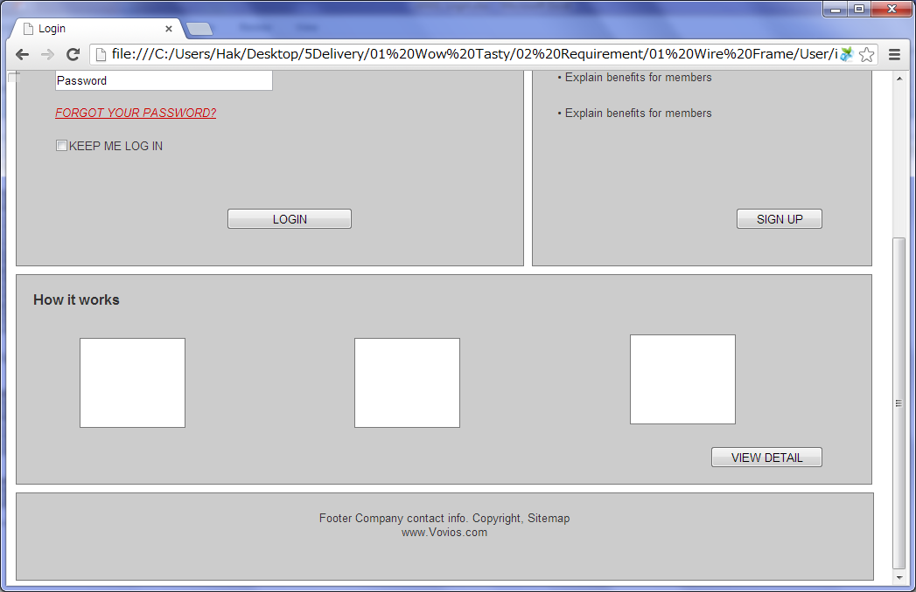

 |  | 2) Field list

 |  | No. | Name |  | Controller |  | Len | Align |  | Default |  | Note
 |  | -5 | E-mail |  | Textfield |  | 256 | Left |  | Blank |  | Trim
 |  | -4 | Password |  | Password |  | 20 | Left |  | Blank
 |  | -3 | FORGOT YOUR PASSWORD? |  | Link
 |  | -2 | KEEP ME IN LOGIN |  | Check box |  |  |  |  | UnChecked
 |  | -1 | LOGIN |  | Button
 |  | 0 | SIGN UP |  | Button
 |  | 1 | VIEW DETAIL |  | Button

 |  | 3) Validation list

 |  | - Unit validation
 |  | No. | Name |  | Required | Type |  |  | Other |  |  |  |  | Error Message
 |  | 1 | E-mail |  | Yes | Email |  |  | Email not exist |  |  |  |  | E0001, E0002, E0003
 |  | 2 | Password |  | Yes | Password |  |  | NOT matched with DB pwd |  |  |  |  | E0001, E0005

 |  | - Correlation validation
 |  | No. | Condition |  | Field |  |  |  |  |  | Required |  | Other | Error message

Page Transition
Project Name |  |  |  | Wow tasty |  |  | User Type |  | User |  |  |  | Writer |  | Hak Choi
Phase |  |  |  | Requirements programing design |  |  | Page Name |  | Login |  |  |  | Date |  | 11/17/2012

 | 2. Page Transition

 |  | 1) Event List

 |  | No. | Name |  |  | Event |  | Condition |  |  | Destination page
 |  | 1 | Login |  |  | Click |  | Validation OK |  |  | [My Page] page
 |  | 2 |  |  |  |  |  | Validation Error |  |  | [Login] page
 |  | 3 | Forgot your password? |  |  |  |  |  |  |  | [Forgot password] page
 |  | 4 | Sign up |  |  |  |  |  |  |  | [Sign up] page
 |  | 5 | View Detail |  |  |  |  |  |  |  | [How it works(Member)] page

 |  | 2) Page Transition |  |  |  |  |  |  |  |  |  |  |  | page |  | layer

2

5
1
 |  |  |  | How it works(Member) |  |  |  | Login |  |  |  | My Page

4
3

 |  |  |  |  | Sign up |  |  |  |  | Forgot password

